Nutzenberechnung & Kostenan
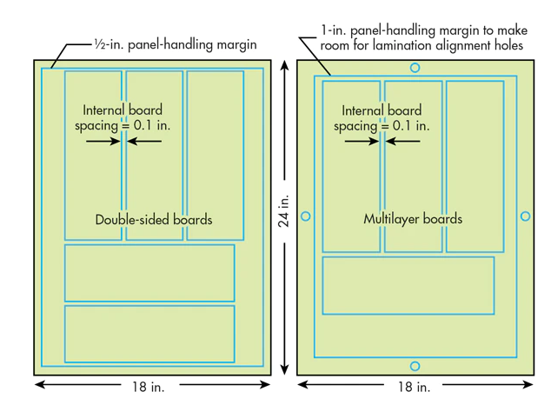

Zusammenfassung
Abmaße Leiterplatte |  | Material und Anzahl der Lagen
Länge [mm] | 142
Breite [mm] | 71 | Gesamtfläche PCB panel [mm²] |  |  | 325161
 |  | Netto Fläche pro Platine [mm²] |  |  | 10082
Nutzen mit größter Yield Rate (Vorschlag aus Berechnung) | 21x24 Inch | Verschnitt pro Platine [mm²] |  |  | 3466
Breite PCB Panel [mm] | 533.4 | Brutto Fläche pro Platine [mm²] |  |  | 13548
Länge PCB Panel [mm] | 609.6 | Abstand zwischen den LP [mm] |  |  | 2
Yield Rate | 74.4%
Teile pro Nutzen | 24

PCB - Nutzen-Berechnung

Standardsize - PCB panel | Platinen-Länge [inch] | Platinen-Breite [inch] | Länge [mm] | Breite [mm] | Nutzbare Länge [inch] | Nutzbare Breite [inch] | Nutzbare Länge [mm] | Nutzbare Breite [mm] | parts per width (1) | parts per length (1) | parts per width (2) | parts per length (2) | Yield Rate [%] | parts per board
9x12 inch | 9 | 12 | 228.6 | 304.8 | 8 | 11 | 203.2 | 279.4 | 1 | 2 | 3 | 1 | 43.4% | 3
12x18 inch | 12 | 18 | 304.8 | 457.2 | 11 | 17 | 279.4 | 431.8 | 2 | 3 | 5 | 1 | 43.4% | 6
18x24 Inch | 18 | 24 | 457.2 | 609.6 | 17 | 23 | 431.8 | 584.2 | 4 | 5 | 7 | 2 | 72.3% | 20
18x21 Inch | 18 | 21 | 457.2 | 533.4 | 17 | 20 | 431.8 | 508 | 3 | 5 | 6 | 2 | 62.0% | 15
21x24 Inch | 21 | 24 | 533.4 | 609.6 | 20 | 23 | 508 | 584.2 | 4 | 6 | 7 | 3 | 74.4% | 24

inch to mm | 25.4

